Sheet1
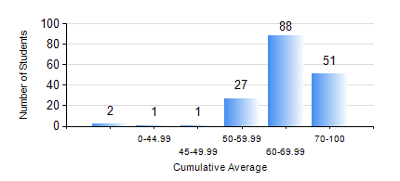
 |  |  | KWAME NKRUMAH UNIVERSITY OF SCIENCE AND TECHNOLOGY, KUMASI Department of Computer Engineering

 |  |  | BSC. COMPUTER ENG.

 |  |  | COMPREHENSIVE RECORD OF EXAMINATION RESULTS

 |  |  | RESULTS OF YEAR 1 SECOND SEMESTER, 2019/2020 ACADEMIC YEAR

 | Sn | Course Code |  | Course Name | Credit Hours | Min. Mark | Max. Mark | Avg. Mark | Std. Dev. | No. Passed | No. Trailed | No. (Df) | No. (I) | No. (I*) | No. Tagged(I,I*,Df) | Total
 | 0. |  |  |  |  |  |  | 0 | 0 | 0 | 0 | 0 | 0 | 0 | 0 | 3
 | 1. | COE 152 |  | BASIC ELECTRONICS | 3 | 40 | 95 | 64 | 13.43 | 163 | 0 | 0 | 4 | 0 | 4 | 167
 | 2. | COE 162 |  | PROGRAMMING AND PROBLEM SOLVING | 2 | 60 | 93 | 87 | 6.19 | 160 | 0 | 0 | 7 | 0 | 7 | 167
 | 3. | COE 164 |  | INTRODUCTION TO MATLAB AND LABVIEW | 2 | 40 | 74 | 63 | 7.24 | 164 | 0 | 0 | 3 | 0 | 3 | 167
 | 4. | EE 156 |  | ELECTRICAL ENG. DRAWING | 2 | 47 | 96 | 75 | 8.22 | 167 | 0 | 0 | 0 | 0 | 0 | 167
 | 5. | EE 172 |  | ELECTRICAL MACHINES | 3 | 40 | 85 | 66 | 12.3 | 163 | 0 | 0 | 4 | 0 | 4 | 167
 | 6. | ENGL 158 |  | COMMUNICATION SKILLS II | 2 | 49 | 92 | 76 | 9.49 | 165 | 0 | 0 | 2 | 0 | 2 | 167
 | 7. | MATH 152 |  | CALCULUS WITH ANALYSIS | 4 | 40 | 95 | 80 | 9.45 | 158 | 0 | 0 | 9 | 0 | 9 | 167
 | 8. | ME 166 |  | APPLIED THERMODYNAMICS | 2 | 40 | 87 | 62 | 10.74 | 157 | 0 | 0 | 10 | 0 | 10 | 167

